SCRIPT
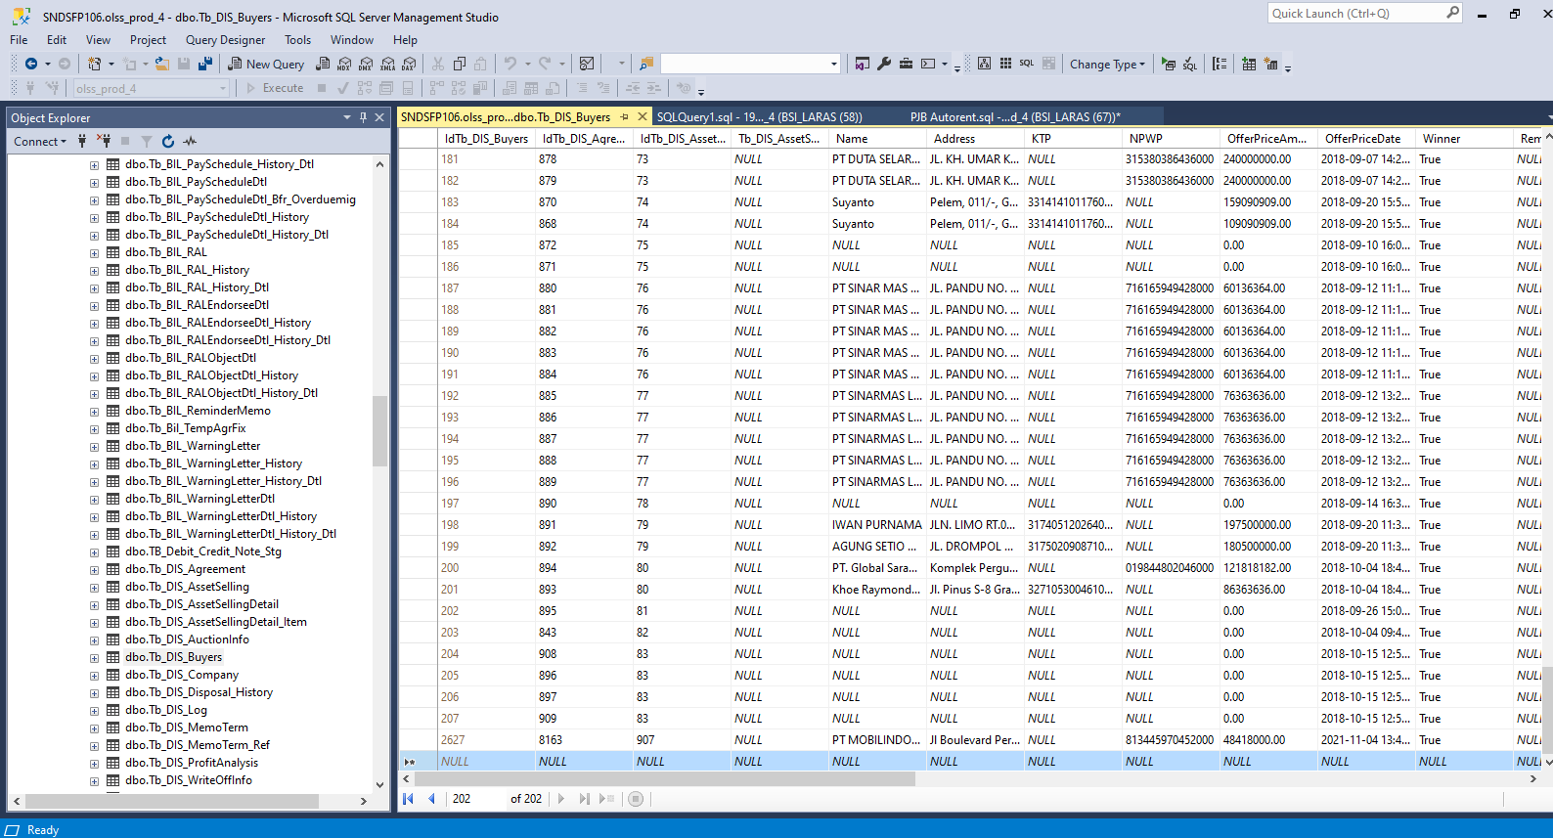
update Tb_DIS_Agreement set AssetCode = '4120034067' where IdTb_DIS_Agreement = 8397

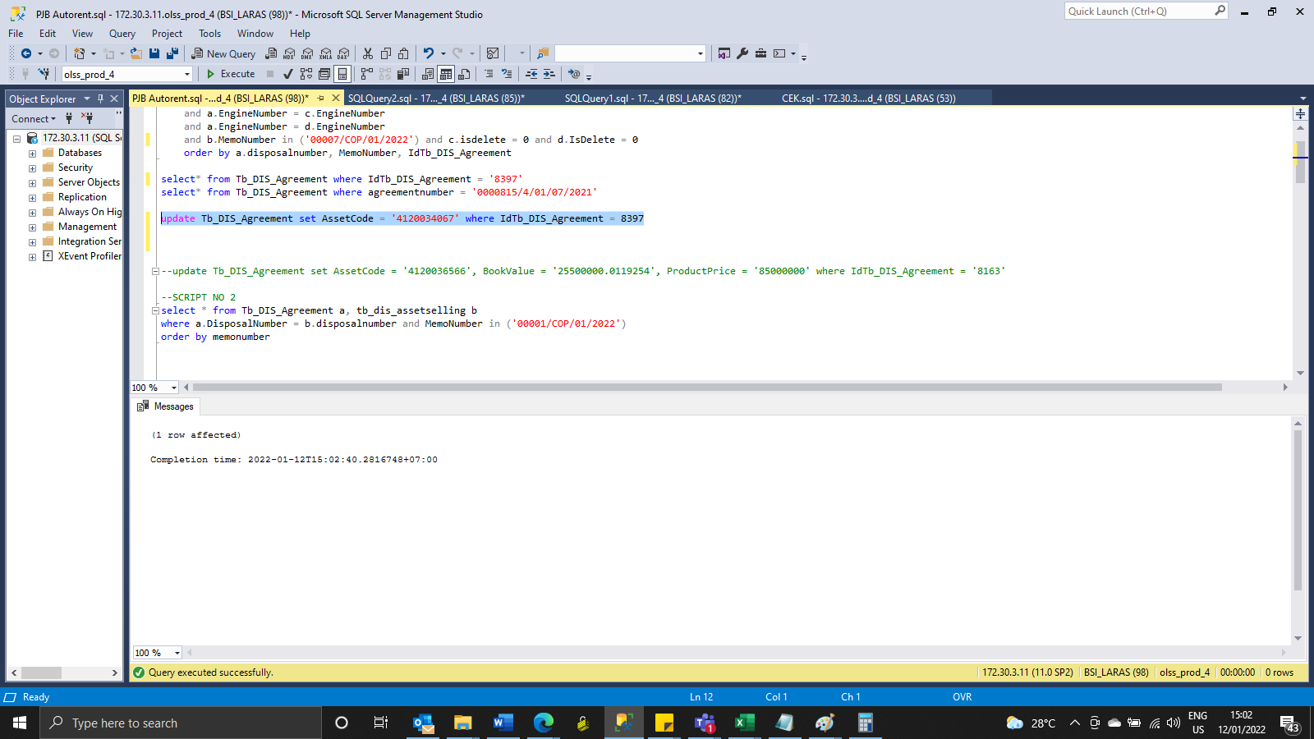

Insert Tb_DIS_Buyers
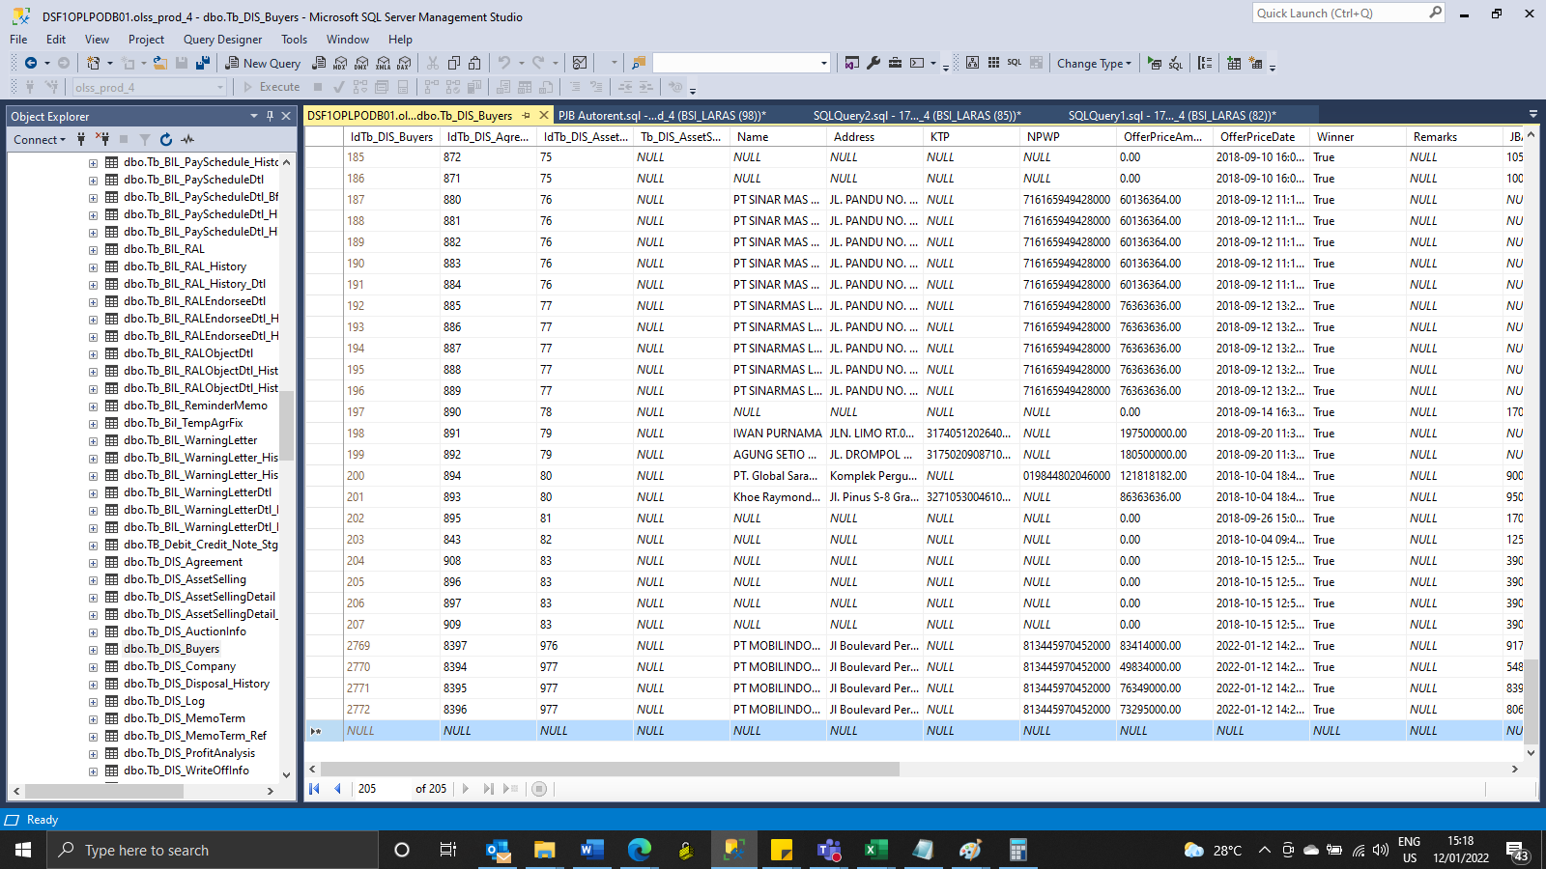

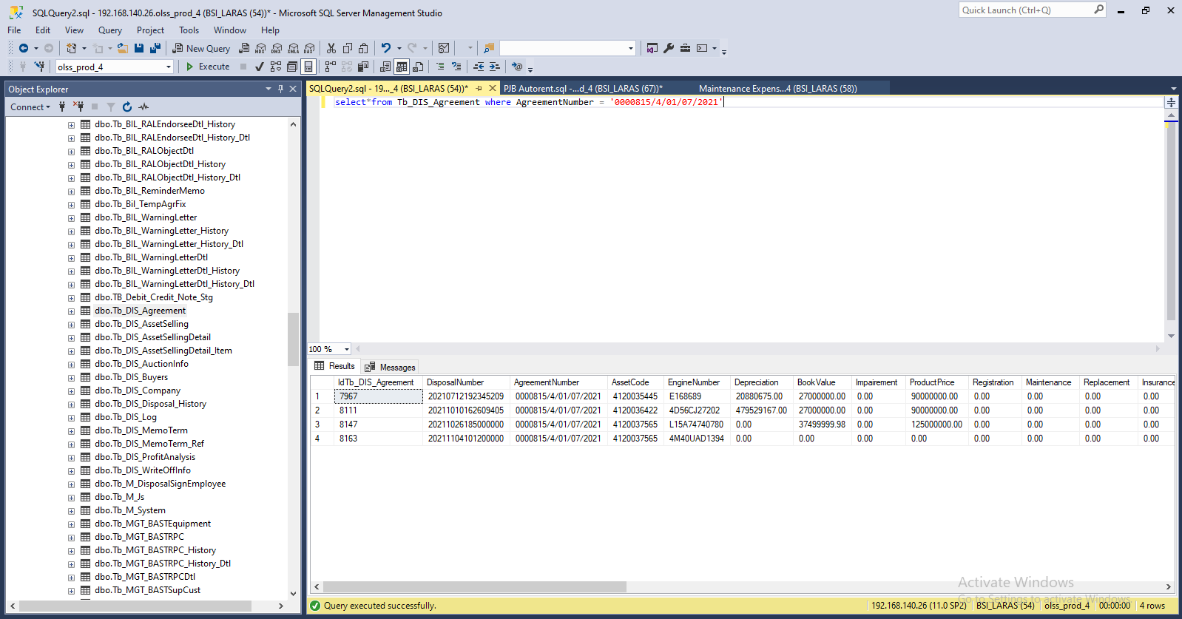

Insert TB_DIS_BUYERS

SCREENSHOOT
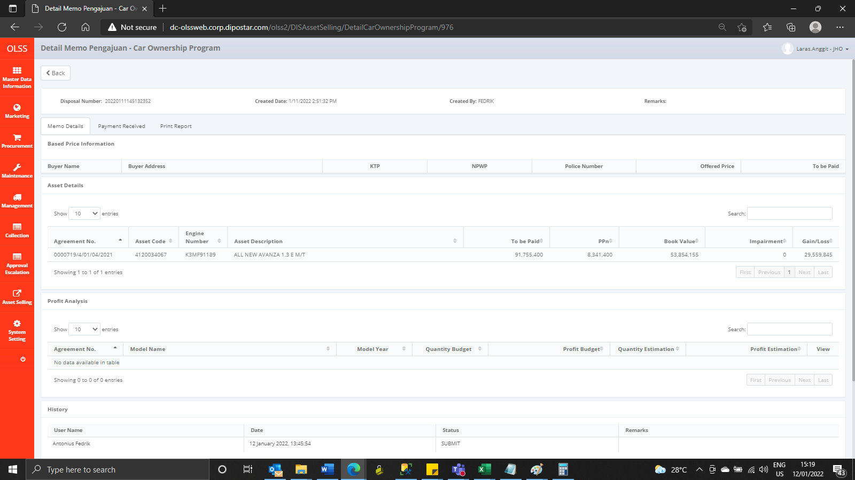
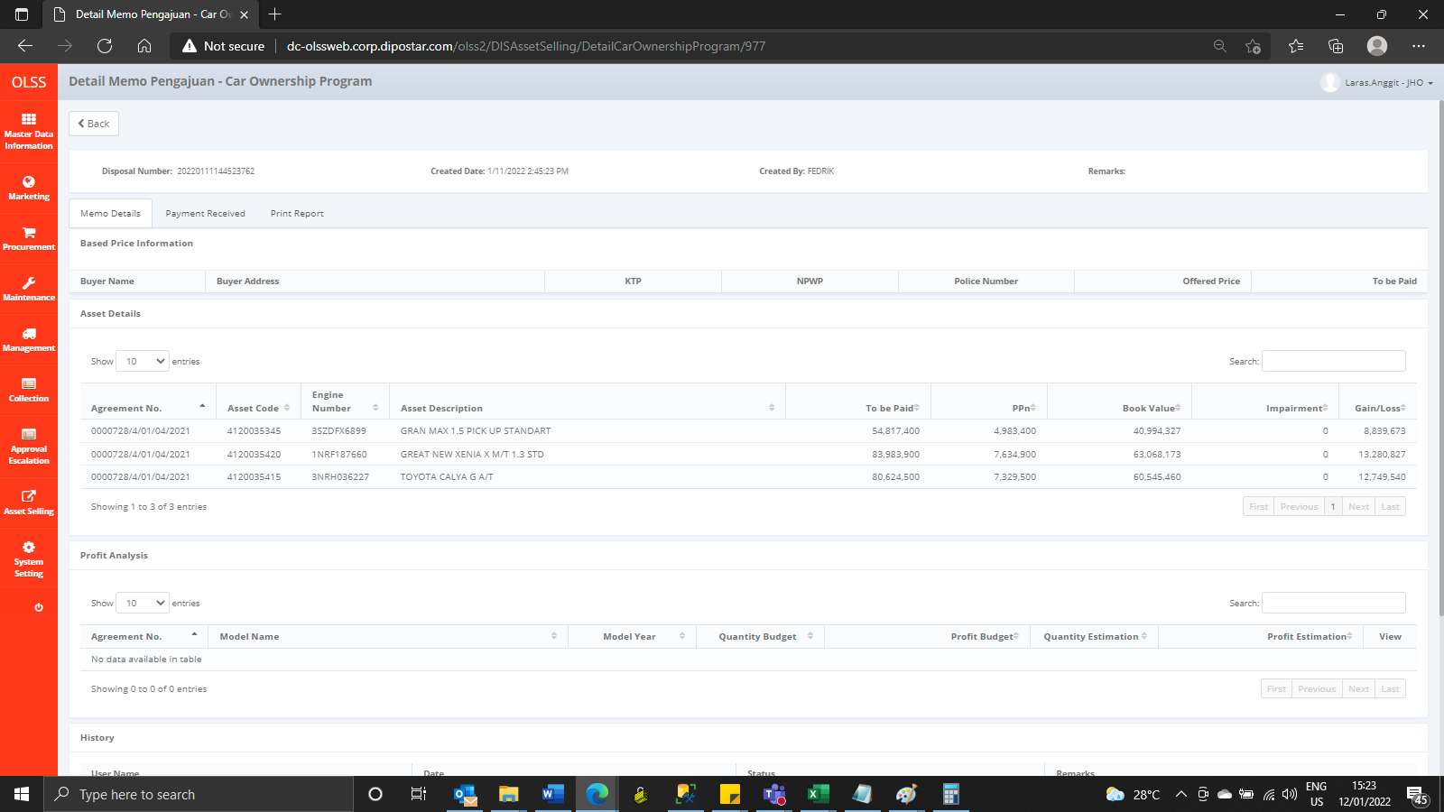
MEMO 00007/COP/01/2022 | MEMO 00008/COP/01/2022
Before | Before




AFTER | After

